CD-135
BHP | SFC | RPM
26.8914753 | 0.36154706 | 2000
33.4747125 | 0.3613506 | 2018
39.8321253 | 0.36096558 | 2036
45.9645183 | 0.36026656 | 2054
53.8367247 | 0.3596282 | 2072
60.4218393 | 0.35911724 | 2090
66.8556891 | 0.35860646 | 2108
73.8952686 | 0.35803188 | 2126
80.2565703 | 0.35701804 | 2144
85.6413558 | 0.3548728 | 2162
91.1784789 | 0.35253867 | 2180
99.0455895 | 0.35271819 | 2198
105.537371 | 0.35510115 | 2216
111.41618 | 0.35874291 | 2234
116.837575 | 0.36295135 | 2252
122.113874 | 0.36615334 | 2270
127.549215 | 0.36809719 | 2288
133.742221 | 0.36985133 | 2306

IAE-550R
HP | SFC | RPM
39.11319 | 0.45098 | 6431.26
39.93014 | 0.46101 | 6502.27
40.51992 | 0.471695 | 6558.06
41.06438 | 0.475581 | 6617.23
41.69962 | 0.485239 | 6684.85
42.28927 | 0.49287 | 6752.47
43.06062 | 0.499665 | 6830.23
43.78679 | 0.504548 | 6887.72
44.37657 | 0.513726 | 6950.27
44.83023 | 0.523534 | 6999.29
45.37469 | 0.533493 | 7055.08
46.10072 | 0.541075 | 7122.71
46.78129 | 0.549641 | 7200.47
47.41666 | 0.549708 | 7254.57
48.23321 | 0.555015 | 7339.1
48.95924 | 0.560526 | 7415.17
49.50356 | 0.567954 | 7477.72
49.82112 | 0.572051 | 7509.84
50.04761 | 0.580984 | 7557.15
50.22838 | 0.59484 | 7631.49
50.18199 | 0.606242 | 7702.44
49.86309 | 0.624897 | 7753.09

CD-135 (Diesel Cycle)
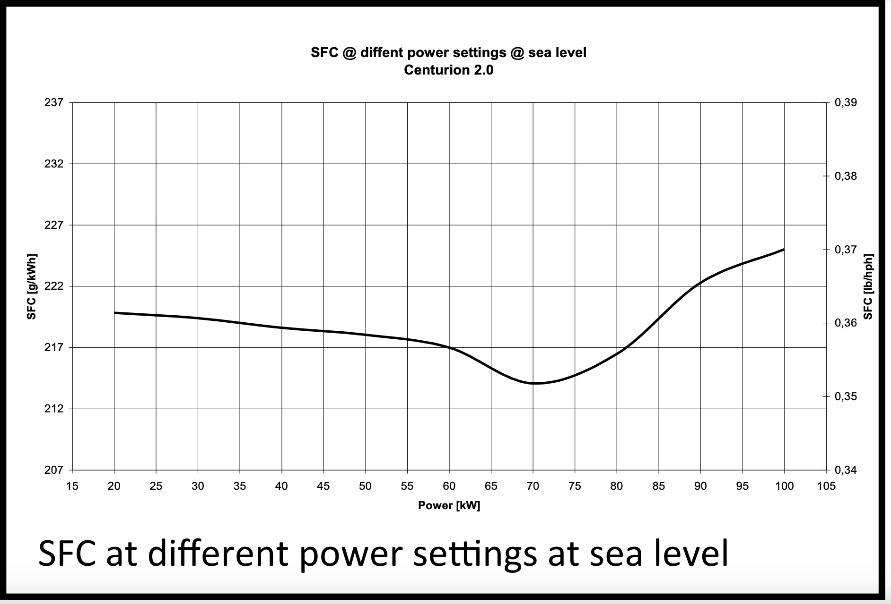
BHP | SFC | RPM | PWR (KW) | SFC (g/kWh)
26.8914753 | 0.36154705664 | 2000 | 20.0533 | 219.9209
33.4747125 | 0.36135060022 | 2018 | 24.9625 | 219.8014
39.8321253 | 0.36096557851 | 2036 | 29.7033 | 219.5672
45.9645183 | 0.36026655533 | 2054 | 34.2763 | 219.142
53.8367247 | 0.35962819525 | 2072 | 40.1467 | 218.7537
60.4218393 | 0.35911724415 | 2090 | 45.0573 | 218.4429
66.8556891 | 0.35860645745 | 2108 | 49.8551 | 218.1322
73.8952686 | 0.35803188407 | 2126 | 55.1046 | 217.7827
80.2565703 | 0.35701803741 | 2144 | 59.8483 | 217.166
85.6413558 | 0.35487279903 | 2162 | 63.8638 | 215.8611
91.1784789 | 0.35253866657 | 2180 | 67.9929 | 214.4413
99.0455895 | 0.35271818993 | 2198 | 73.8595 | 214.5505
105.5373705 | 0.3551011488 | 2216 | 78.7005 | 216
111.4161804 | 0.35874290836 | 2234 | 83.0844 | 218.2152
116.8375752 | 0.36295135017 | 2252 | 87.1272 | 220.7751
122.1138738 | 0.36615334326 | 2270 | 91.0618 | 222.7228
127.549215 | 0.36809719325 | 2288 | 95.115 | 223.9052
133.7422212 | 0.36985132717 | 2306 | 99.7332 | 224.9722

 |  |  |  |  | http://www.continentaldiesel.com/typo3/fileadmin/_centurion/pdf/Datenblaetter/DS_CMG_1_CD-135.pdf

 |  |  |  |  | http://www.continentaldiesel.com/typo3/index.php?id=101&L=1

